1
 | FURUKAWA AUTOMOTIVE SYSTEMS LIMA PHILIPPINES, INC. |  |  |  |  | Employee Management System Work Instructions |  |  |  |  |  | DOCUMENT TYPE: | WORK INSTRUCTION | PAGE NO.: | 1 / 3
 |  |  |  |  |  |  |  |  |  |  |  | DOCUMENT NO.: | REVISION NO.: | EFFECTIVITY DATE:
 |  |  |  |  |  |  |  |  |  |  |  | 1 | 2
CAR MODEL |  | MATERIALS |  |  |  |  |  | DEVICES / EQUIPMENT USED |  |  | REFERENCE
N/A |  | Computer Application |  |  |  |  |  | Computer |  |  | N/A

FORMS |  |  |  |  | PURPOSE |  |  |  | SCOPE
 |  |  |  |  | To provide work instructions on how to update employee details for production using Employee Management System. |  |  |  | To detail the process on how to update the employee details, skill level and line shifting schedule using Employee Management System.


Get started by going to your dektop and look for your Employee Management System Logo. URL : http://172.25.116.188:3000/emp_mgt/
1
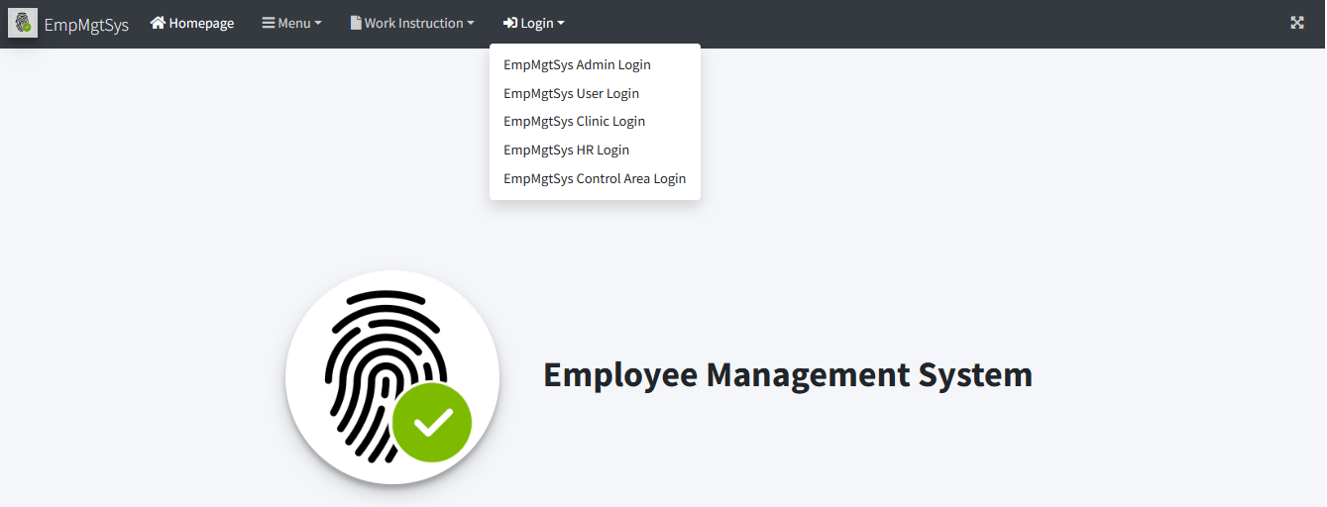
Choose "EmpMgtSys Control Area Login" Menu Item.
3
EmpMgtSys Control Area Login

5.1

You may search for the employee list by typing or filtering on input fields and dropdown lists.

 |  |  |  |  |  |  |  |  |  | Amazon.com: Ethernet Cable Labels
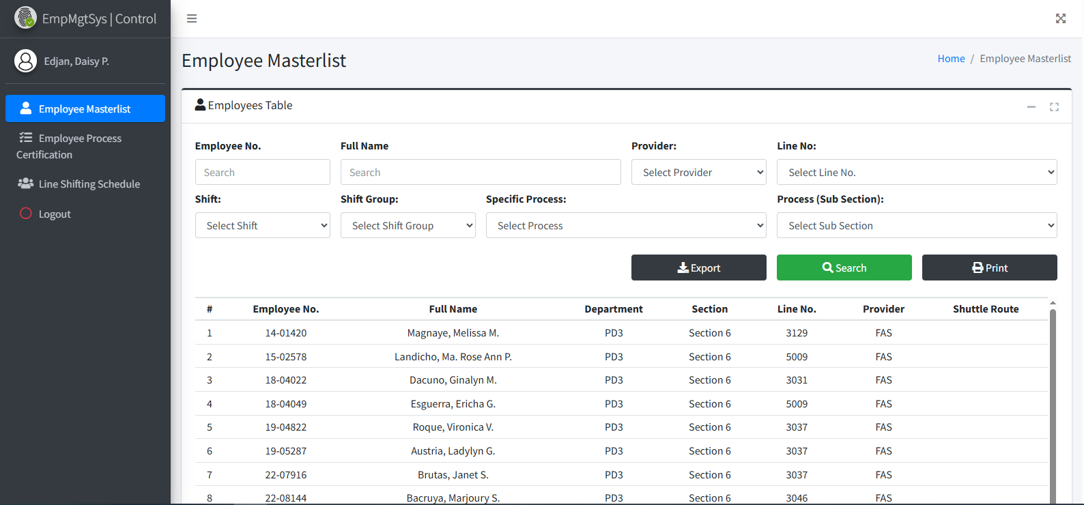

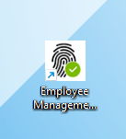

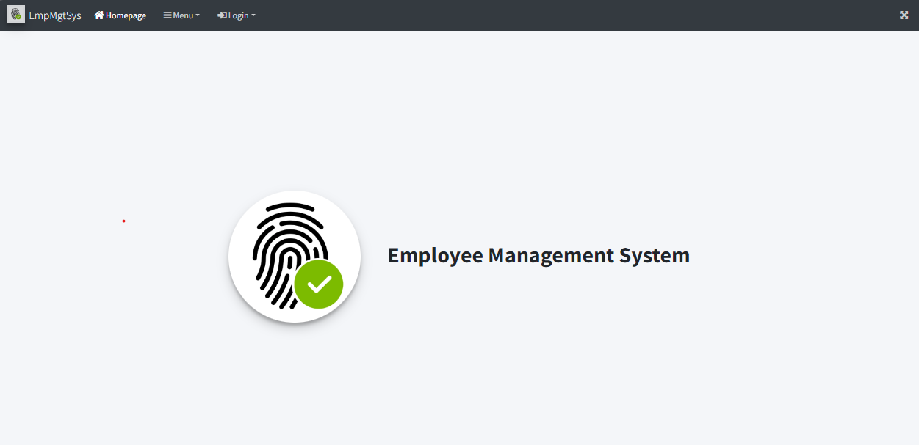
Access Employee Management System - Viewer Page
2

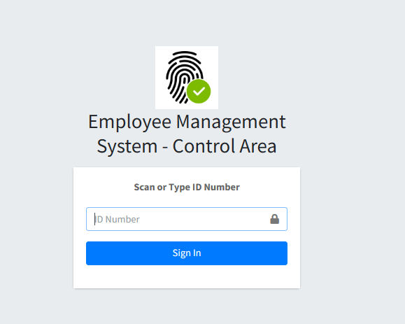
Login to Employee Management System - Control Area using Control Area Account Credentials (Only for Staff and Supervisor). . Enter the ID number to access the system.
4

 |  |  |  |  |  |  |  |  |  |  |  |  |  |  |  | s

0
DR/CN No. |  |  | Revision No. | Effectivity Date |  |  | Details of change
 |  |  | 1 |  |  |  | First Issue
 |  |  | 2 |  |  |  | Employee Masterlist, Process Certification and Line Shifting Update

2
 | FURUKAWA AUTOMOTIVE SYSTEMS LIMA PHILIPPINES, INC. |  |  |  |  | Employee Management System Work Instructions |  |  |  |  |  | DOCUMENT TYPE: | WORK INSTRUCTION | PAGE NO.: | 2 / 3
 |  |  |  |  |  |  |  |  |  |  |  | DOCUMENT NO.: | REVISION NO.: | EFFECTIVITY DATE:
 |  |  |  |  |  |  |  |  |  |  |  | 1 | 2
CAR MODEL |  | MATERIALS |  |  |  |  |  | DEVICES / EQUIPMENT USED |  |  | REFERENCE
N/A |  | Computer Application |  |  |  |  |  | Computer |  |  | N/A

FORMS |  |  |  |  | PURPOSE |  |  |  | SCOPE
 |  |  |  |  | To provide work instructions on how to update employee details for production using Employee Management System. |  |  |  | To detail the process on how to update the employee details, skill level and line shifting schedule using Employee Management System.

Click your desired row from the table.
5.2

6.1
To update skill level, click Employee Process Certification on side bar menu. This page below will be shown. Before to search for specific employee to change its skill level, choose from the category dropdown below.
6.3
Select from the Skill Level Dropdown List and click Update Button if done.

 |  |  |  |  |  |  |  |  |  | Amazon.com: Ethernet Cable Labels

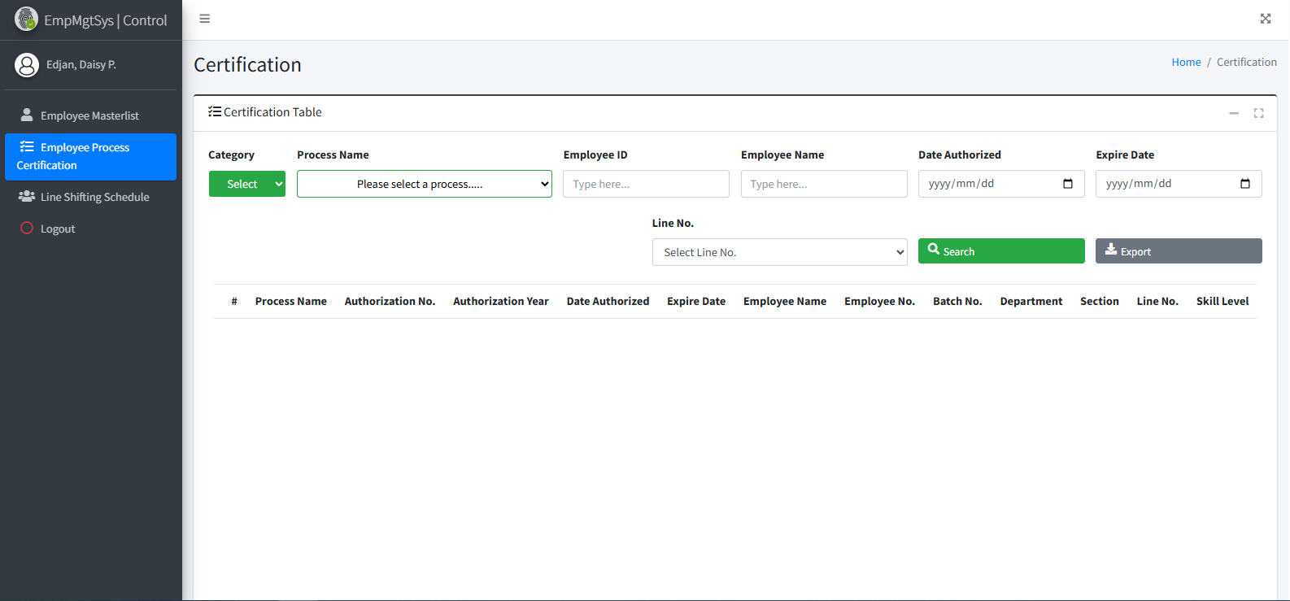
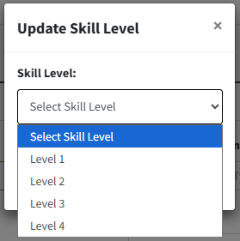

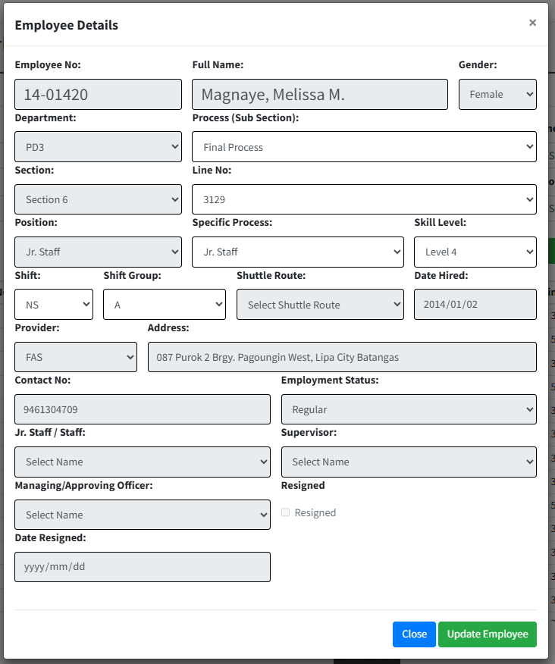

6.2
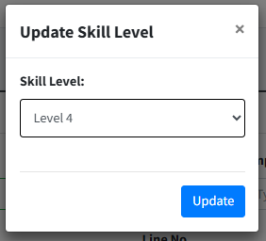
5.3
Click your desired row from the table of which specific process to update its skill level.
Type updated employees information from the input fields provided. Only Line No., Process and Shift Group input fields are enabled. Click Update Employee Button to update single employee information.

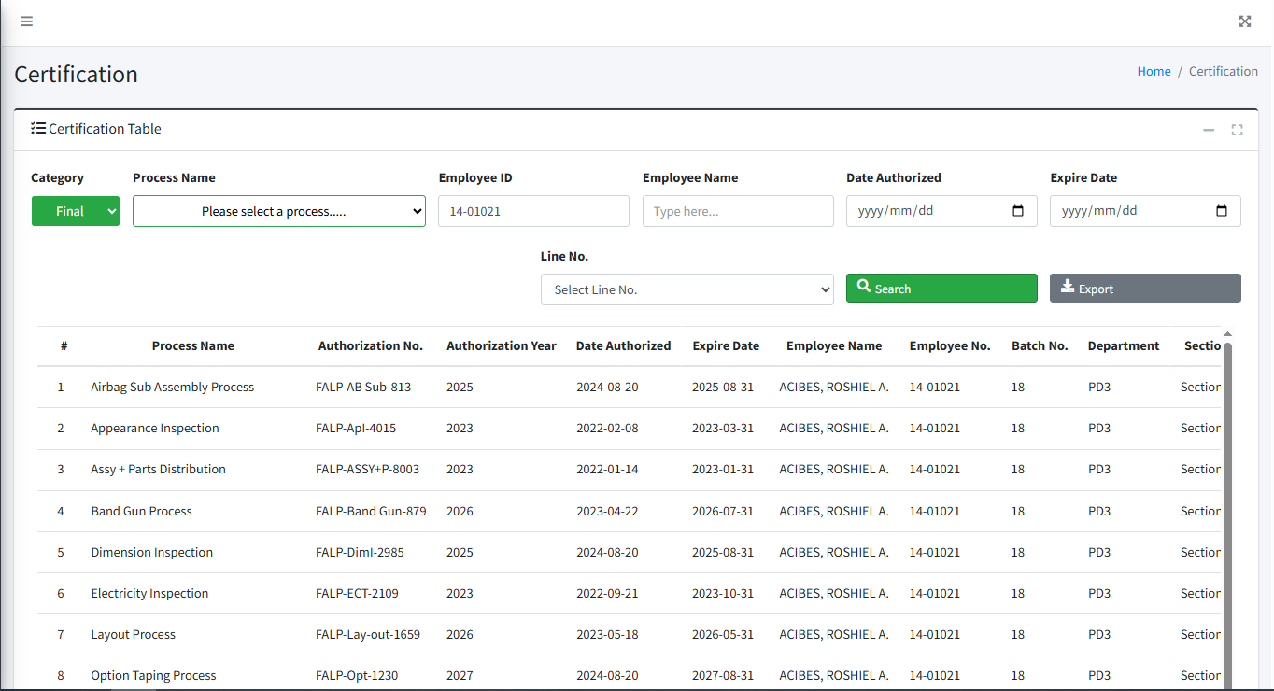

 |  |  |  |  |  |  |  |  |  |  |  |  |  |  |  | s

0
DR/CN No. |  |  | Revision No. | Effectivity Date |  |  | Details of change
 |  |  | 1 |  |  |  | First Issue
 |  |  | 2 |  |  |  | Employee Masterlist, Process Certification and Line Shifting Update

3
 | FURUKAWA AUTOMOTIVE SYSTEMS LIMA PHILIPPINES, INC. |  |  |  |  | Employee Management System Work Instructions |  |  |  |  |  | DOCUMENT TYPE: | WORK INSTRUCTION | PAGE NO.: | 3 / 3
 |  |  |  |  |  |  |  |  |  |  |  | DOCUMENT NO.: | REVISION NO.: | EFFECTIVITY DATE:
 |  |  |  |  |  |  |  |  |  |  |  | 1 | 2
CAR MODEL |  | MATERIALS |  |  |  |  |  | DEVICES / EQUIPMENT USED |  |  | REFERENCE
N/A |  | Computer Application |  |  |  |  |  | Computer |  |  | N/A

FORMS |  |  |  |  | PURPOSE |  |  |  | SCOPE
 |  |  |  |  | To provide work instructions on how to update employee details for production using Employee Management System. |  |  |  | To detail the process on how to update the employee details, skill level and line shifting schedule using Employee Management System.

7.1
7.3

To set line shifting, click Line Shifting Schedule from side bar menu. This page below will be shown. Click Line Shifting Button.
After scheduling line shifting, this will appear as row in line shifting schedule table. You may search for specific schedule using these filters. The legend can help us to check action column icons. If trash icon appear, you can delete schedule by clicking it. A confirmation box will appear.

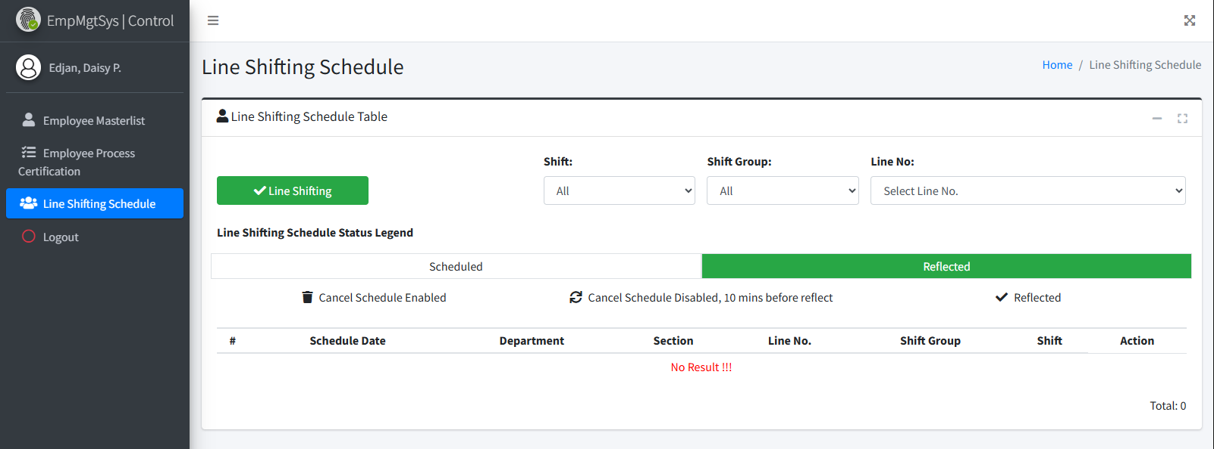
 |  |  |  |  |  |  |  |  |  | Amazon.com: Ethernet Cable Labels

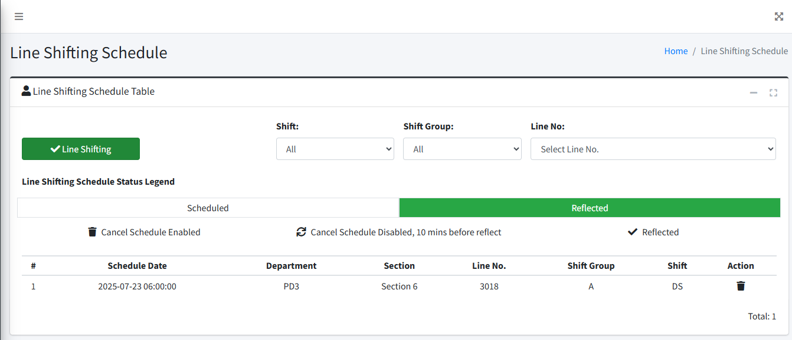

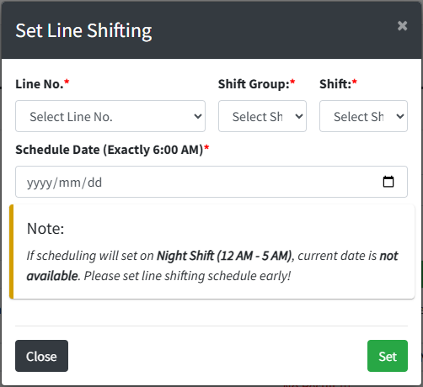

7.2

Fill out line shifting schedule input fields. Select specific line or choose "All" if all lines from line no. dropdown. Read the note carefully. Click Set Button to schedule line shifting.
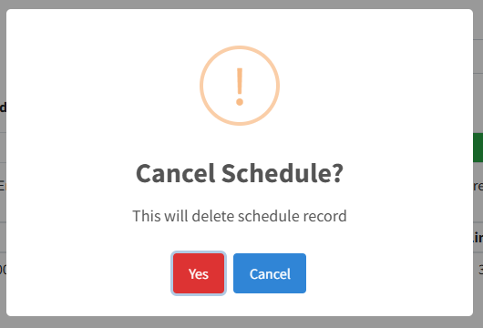
7.4

Click Yes to confirm deletion of schedule record.

 |  |  |  |  |  |  |  |  |  |  |  |  |  |  |  | s

0
DR/CN No. |  |  | Revision No. | Effectivity Date |  |  | Details of change
 |  |  | 1 |  |  |  | First Issue
 |  |  | 2 |  |  |  | Employee Masterlist, Process Certification and Line Shifting Update

